local admin access
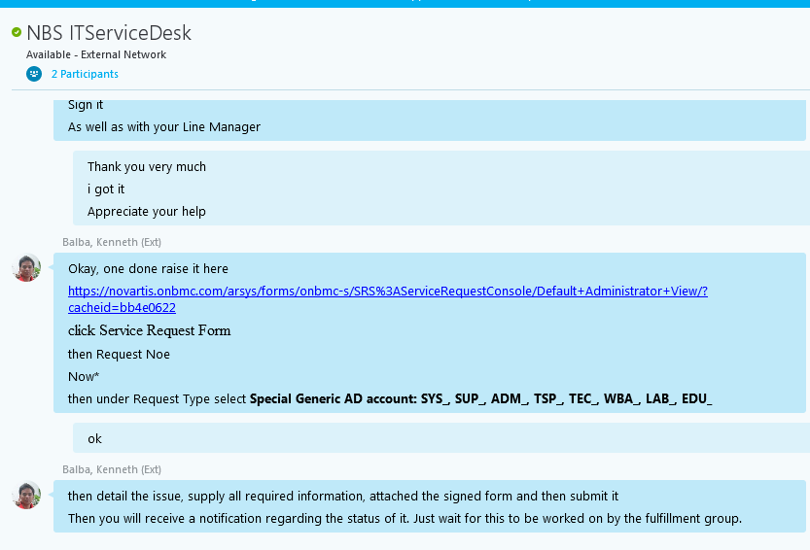
Hi All,

Please refer below list of people having Access to Local Admin password console

Pandey, Atul-1 (Ext) atul-1.pandey@novartis.com

Balasubramanian, Manikandan (Ext) <manikandan.balasubramanian@novartis.com>;

Bagga, Gaurav (Ext) <gaurav.bagga@novartis.com>;

Nayak, Dipendra (Ext) <dipendra.nayak@novartis.com>;

Kokkanti, Venkataramana (Ext) <venkataramana.kokkanti@novartis.com>;

Bhushan, Bharat-1 (Ext) <bharat-1.bhushan@novartis.com>;

Ratra, Jai Raj (Ext) <jai_raj.ratra@novartis.com>;

Kumar, Ashish (Ext) <ashish.kumar@novartis.com>;

Mani, Dhanasekar (Ext) <dhanasekar.mani@novartis.com>;

Chitluri Veera, Sravan Kumar (Ext) <sravan_kumar.chitluri_veera@novartis.com>;

Tiwari, Dharmendra Kumar (Ext) <dharmendra_kumar.tiwari@novartis.com>;

Rengaraju, Ranjith Babhu (Ext) <ranjith_babhu.rengaraju@novartis.com

Chopra, Ruchir (Ext) <ruchir.chopra@novartis.com>;

Reddy, Paila Lavkesh (Ext) paila_lavkesh.reddy@novartis.com

Kindly follow the steps and capture the logs while failure occur, we can provide the logs to MS and proceed further.

1. Login to source and destination servers
2. Open the command prompt with administrators rights
3. To start the capture log, execute the command - netsh trace start scenario =netconnection capture =yes report =yes maxSize =250 fileMode =circular
(It will save the trace capture and will also give you the location for the capture log. )

4. Please do the manual file copy from source and destination
5. To stop the capture log, execute the command - Netsh trace stop

[STATUS UPDATE:] For Server 147.167.15.77 and 147.167.66.148 an web server hosting for web application, HTTP set of request methods like GET , PUT, POST, HEAD, indicate the desired action to be performed for a given resource.
Suspicious activity is for Trace and Put parameters : where and loop-back test for IIS configuration along the path to the target resource
Other Parameters are :

PUT: The request is from load balancerdit-ltm03.eu.novartis.net [147.167.149.219] to web server to retrieve the files.

TRACE: TRACE method performs a message loop-back test along the path to the target resource.

logs attached for ref.

Sheet5
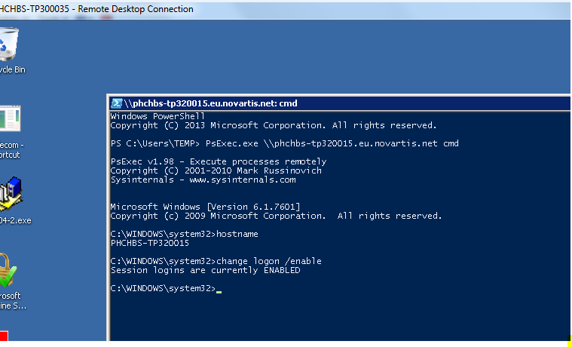
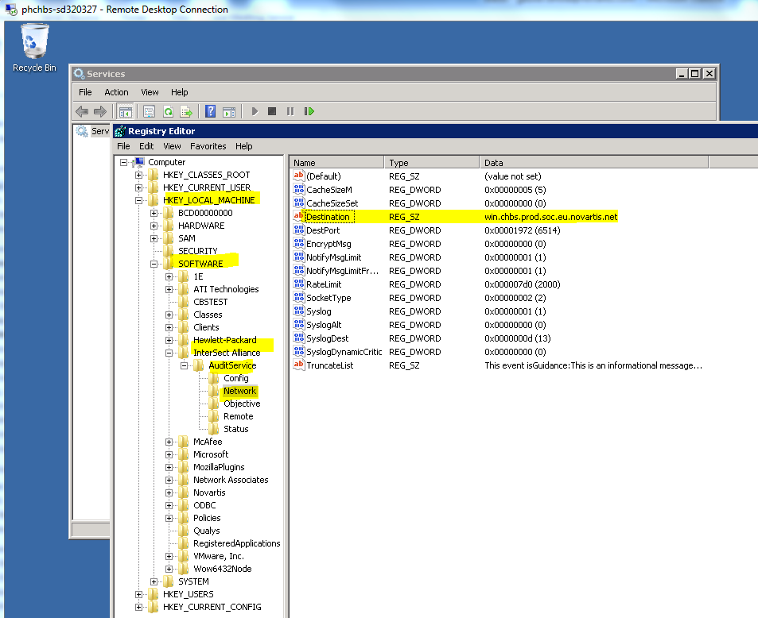

Restart snare service
restart windows event log and collector

Sheet6
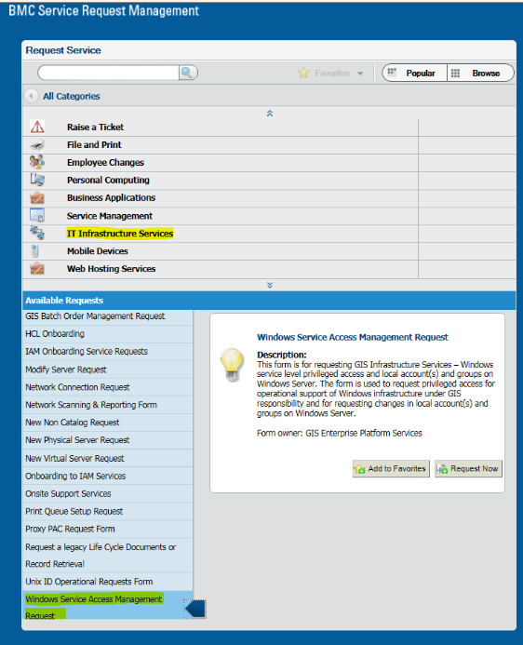

Please raise the SR073 request from and assign to NVS Team

Sheet7
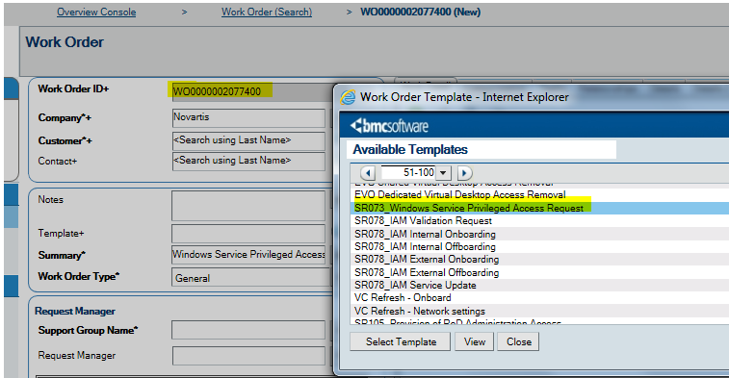
This is regarding subjected incident for access issue on server (GLCHBS-SP360174). The following is the process to get the access on Temporary basis and Permanent :

Emergency access (for 48 hrs) – Access Template Task need to be raised for Wintel team and access would be provided through GMT
Permanent Admin access – Requests need to be processed through SR073 form in RoD (Access will be provided by NVS team)

Please let us know for incident closure and for any further assistance

Kindly raise the modify request from the below link as the WO which you raised is not Valid for disk expansion.

https://novartis.onbmc.com/arsys/forms/onbmc-s/SRS%3AServiceRequestConsole/Default+Administrator+View/?cacheid=2332b1fa

https://share.novartis.net/sites/GISRF/SiteAssets/SitePages/Home/SR046%20-%20Modify%20Server%20Request_User%20Guide.pdf

Please raise request via GMT portal and ASM will approve and add the ID’s back to the group.
https://www.gmt.novartis.intra/Groups

1: Follow the link.
2: Type the Host name of the server and search.
3: You will find the APPL_A group. Then Click on Sign up and then enter the details.
you have option for permanent access, temporary access 1 day, 2 day or 90 days
This request will go to the application owner who will accept the request and once she accepts the request, you will be able to access the server.

As per the procedure, For Permanent access – Kindly raise a SR073 form in RoD to get server admin access for your group account if required with proper business justification and with the your server lead approval.
Following requested server access would be provided by the NVS team
“Windows Service Privileged Access Operational Request SR073”

Sheet8
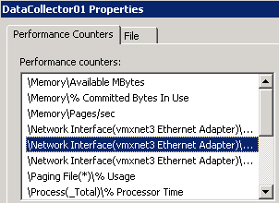

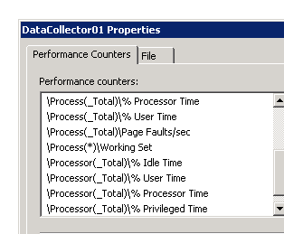

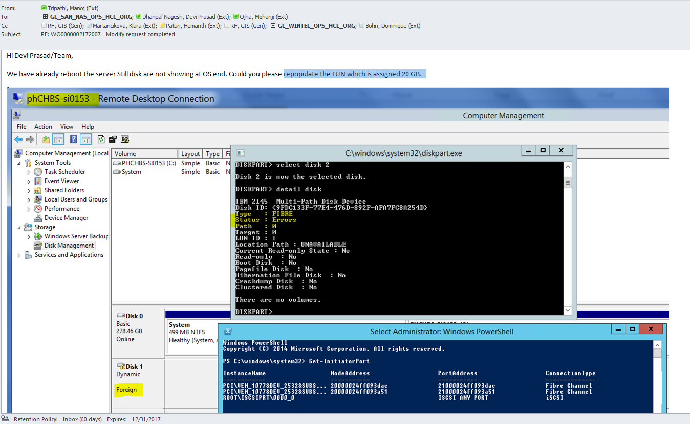

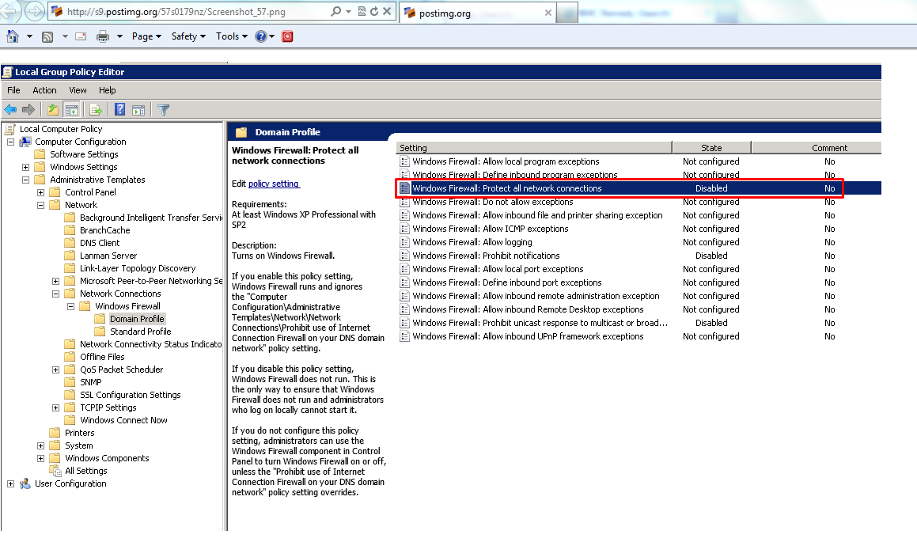

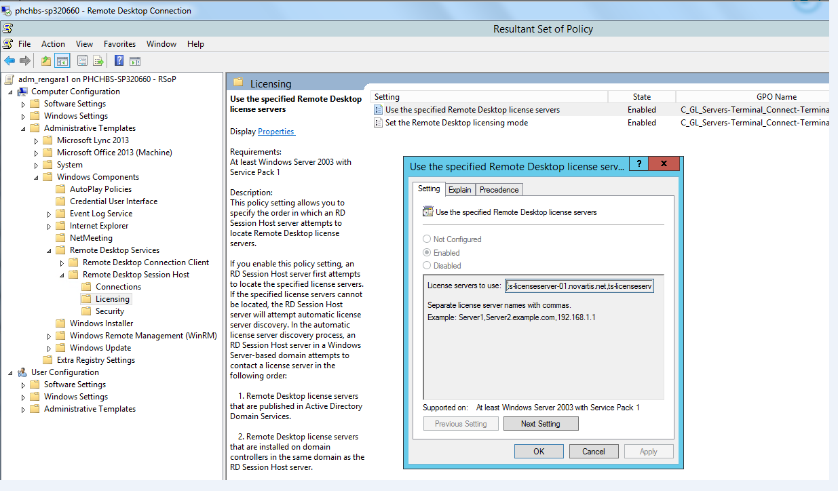

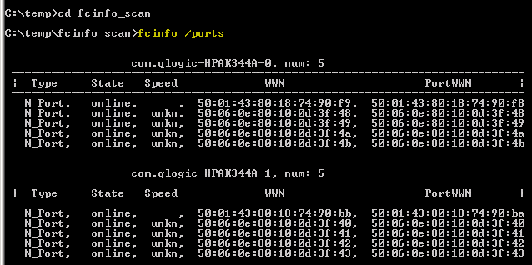

Login process
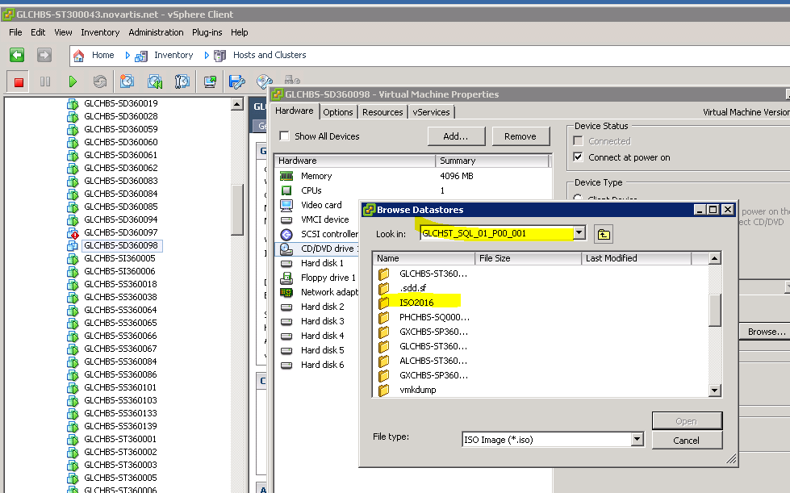
This is let you know that all our ADM ID has been revoked from SRV_HCL_WIN_ADMINS_A group and direct RDP using our ADM ID is restricted as part of SAM implementation. Please use PAM to connect all Window servers and refer below for details of accounts which will be used for logon based on use cases.

1) Infra01 & Infra02 (Local Accounts) – Preferred account to login interactively on Windows servers to perform all our tasks.
2) Build in Administrator Account – Password already stored in CyberArk vault. This account can be used if facing any issue to access servers using Infra accounts due to PSM (Privileged session manager) or any others issues within PAM. Valid justification is required when using this account as SOC incident will be triggered by login server using Administrator ID.
3) Tools Accounts (Pool of generic administrator accounts, ADM_WINTEOP1 to ADM_WINTEOP25 ) – Will use to login Jump servers interactively in case wants to perform remote administration (including firewalled servers)and run script across servers. Those IDs are part of SRV_ENTERPRISE so admin privilege can get by default.
a. These accounts are allowed to login only Jump servers interactively (computer member of WIN_TOOL_SRV_Exclusion_Deny_RDP group)
b. Login other member servers will trigger SOC incident and strictly avoid to login non jump server interactively.
4) Emergency Access (SRV_ADMINS_%SERVERNAME%_EMERG_A) - Use case if any system wide PAM outage and raise request in GMT port to be part of EMERG_A group with relevant ROD number & proper justification. Emergency access should not be raised for other scenarios.
5) Emergency Domain Accounts (ADM_WINTELEM1, ADM_WINTELEM2). These two accounts can be used only for below situations and INC need to be assigned to GL_PAM prior to login server for justification (ref # INC000008196613), the same incident can be referred to resolve SOC incident.
a. Failed to login server using INFRA01, INFNRA02 & Build-in Administrator Accounts.
b. Failed to remediate issue through Remote Management from Jump servers using Tools accounts.
c. Server not on-boarded in PAM
d. Privilege required in AD level.

Please refer attached draft for more clarity on access model and will share final document once fully approved. Additionally the below NAS shares (EMEA & US) to be used to copy log & batch files.

\\gluseh-sp140003.na.novartis.net\sp140003_win_media_lib_awp01$
\\glchbs-sp140005.eu.novartis.net\WIN-Media-Library-EMEA$

